1B. SNIPS OF INPUTS FROM SOURCE
1B. SNIPS OF THE INPUTS FROM THE RELEVANT SOURCES

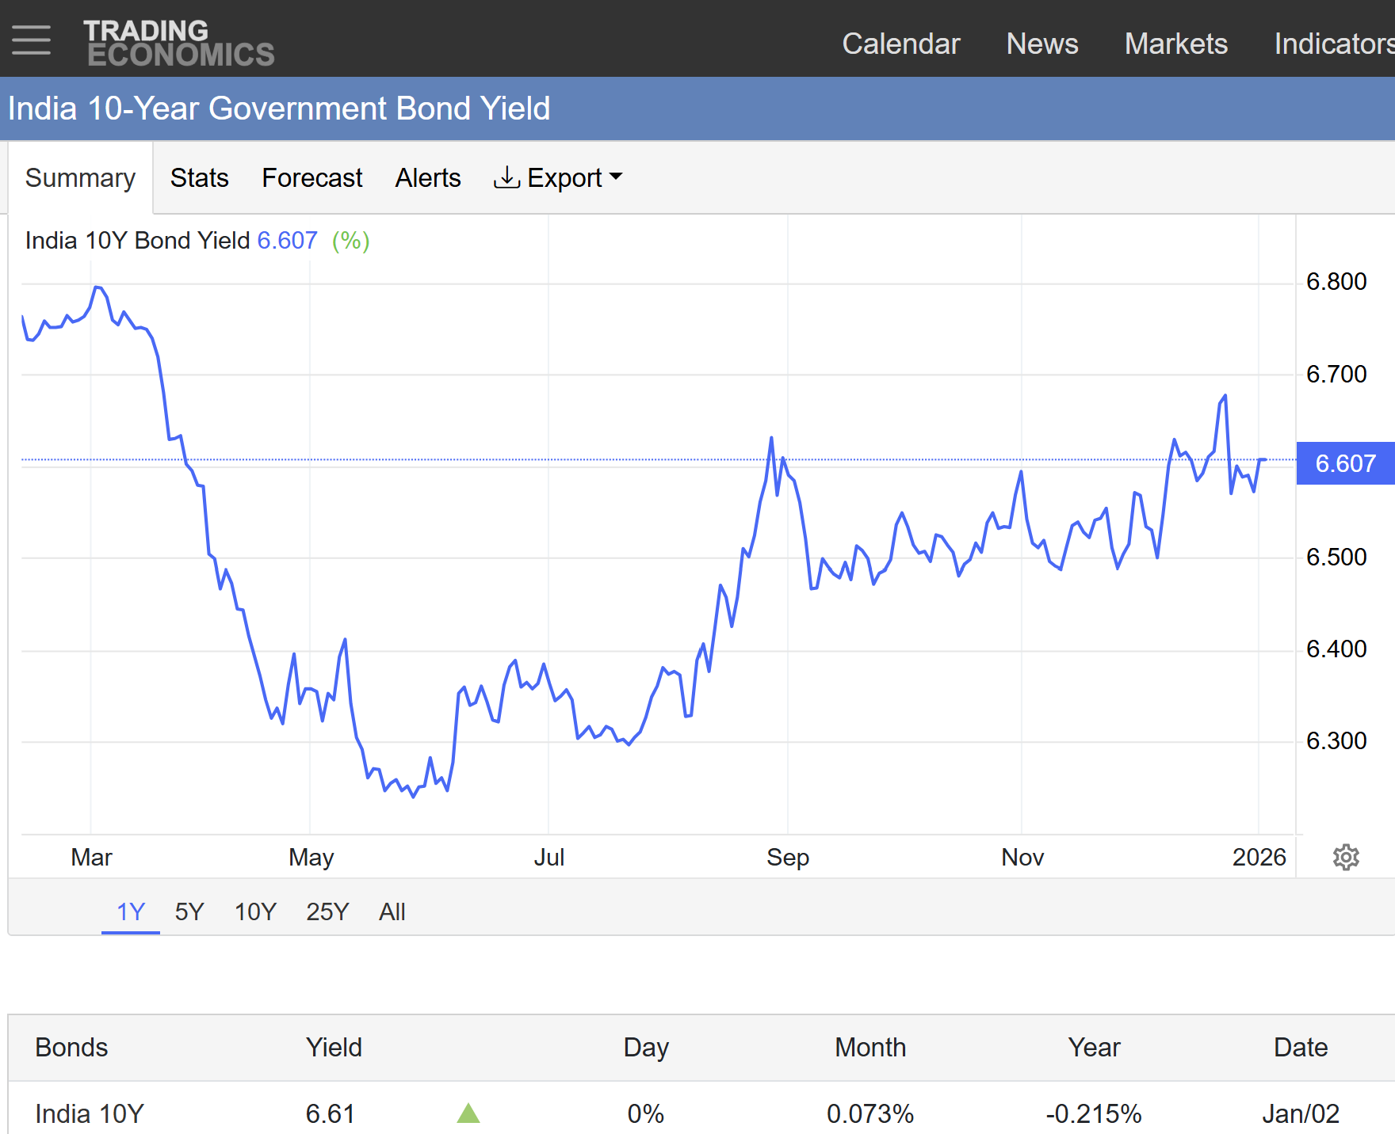
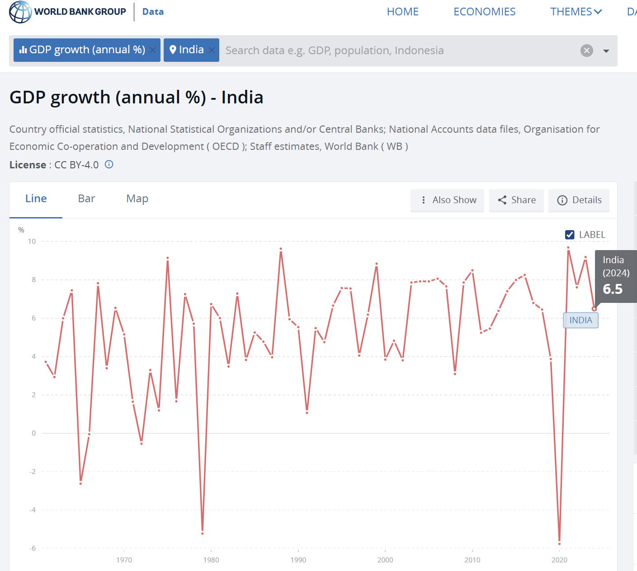

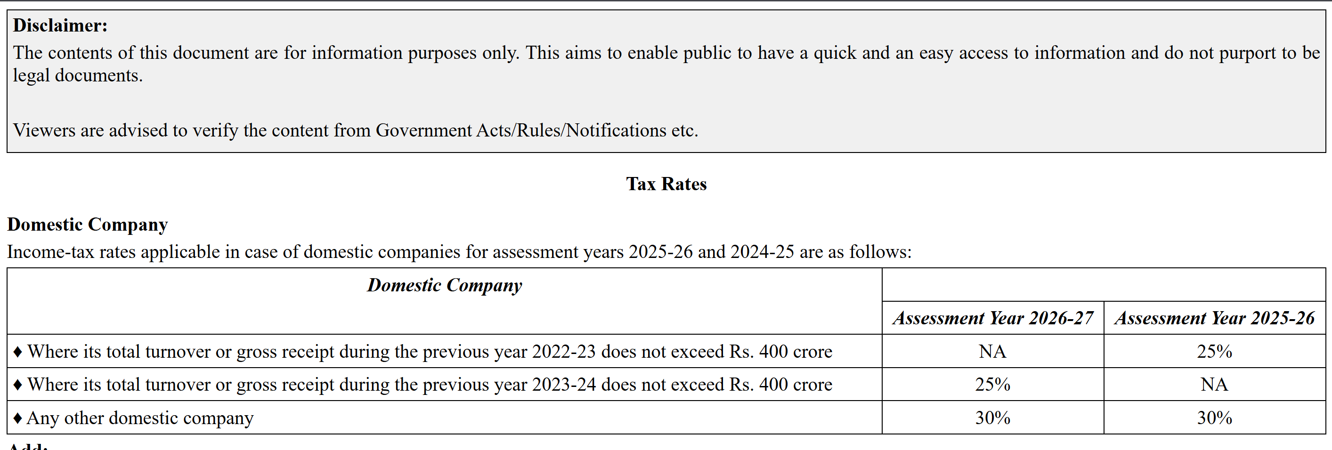



Figure 1: Risk Free Rate - 10 Year Government Security Bond Yield from Trading Economics. | Figure 2: Beta value of Dalmia Bharat Limited from MoneyControl. | Figure 3: Corporate Tax Rate | Figure 4: GDP Growth Rate | Figure 5: Shares Outstanding from the Annual Report

Scroll to the right.

2. RAW FINANCIALS (CASE)
2. RAW FINANCIALS FROM THE CLSA CASE

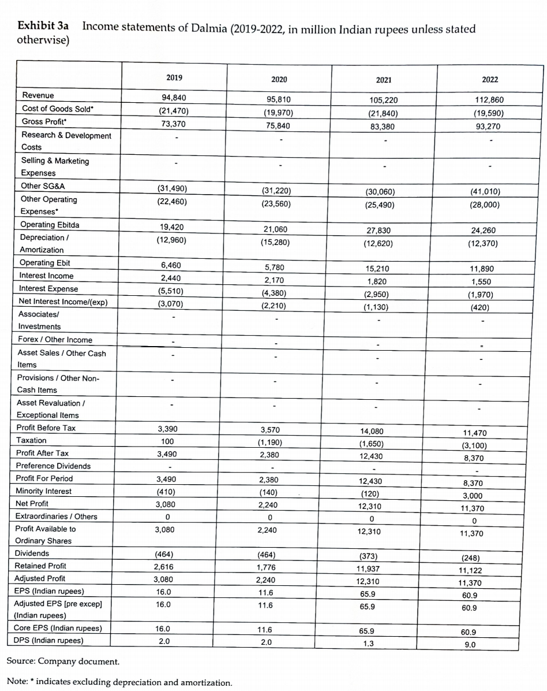
Income Statements of Dalmia (2019-2022) in Million Indian Rupees |  |  |  |  | Figure 3a: Income Statement from the CLSA Case Analysis
Particulars | 2019 | 2020 | 2021 | 2022
Revenue | 94,840.00 | 95,810.00 | 105,220.00 | 112,860.00
Cost of Goods Sold | -21,470.00 | -19,970.00 | -21,840.00 | -19,590.00
Gross Profit | 73,370.00 | 75,840.00 | 83,380.00 | 93,270.00
Research & Development Costs | - | - | - | -
Selling and Marketing Expenses | - | - | - | -
Other SG&A | -31,490.00 | -31,220.00 | -30,060.00 | -41,010.00
Other Operating Expenses | -22,460.00 | -23,560.00 | -25,490.00 | -28,000.00
Operating EBITDA | 19,420.00 | 21,060.00 | 27,830.00 | 24,260.00
Depreciation / Amortization | -12,960.00 | -15,280.00 | -12,620.00 | -12,370.00
Operating EBIT | 6,460.00 | 5,780.00 | 15,210.00 | 11,890.00
Interest Income | 2,440.00 | 2,170.00 | 1,820.00 | 1,550.00
Interest Expense | -5,510.00 | -4,380.00 | -2,950.00 | -1,970.00
Net Interest Income / (Expense) | -3,070.00 | -2,210.00 | -1,130.00 | -420.00
Associates / Investments | - | - | - | -
Forex / Other Income | - | - | - | -
Asset Sales / Other Cash Items | - | - | - | -
Asset Revaluation / Exceptional Items | - | - | - | -
Profit Before Tax | 3,390.00 | 3,570.00 | 14,080.00 | 11,470.00
Taxation | 100.00 | -1,190.00 | -1,650.00 | -3,100.00
Profit After Tax | 3,490.00 | 2,380.00 | 12,430.00 | 8,370.00
Preference Dividends | - | - | - | -
Profit for Period | 3,490.00 | 2,380.00 | 12,430.00 | 8,370.00
Minority Interest | -410.00 | -140.00 | -120.00 | 3,000.00
Net Profit | 3,080.00 | 2,240.00 | 12,310.00 | 11,370.00
Extraordinaries / Others | - | - | - | -
Profit Available to Ordinary Shares | 3,080.00 | 2,240.00 | 12,310.00 | 11,370.00
Dividends | -464.00 | -464.00 | -373.00 | -248.00
Retained Profit | 2,616.00 | 1,776.00 | 11,937.00 | 11,122.00
Adjusted Profit | 3,080.00 | 2,240.00 | 12,310.00 | 11,370.00
EPS (Indian Rupees) | 16.00 | 11.60 | 65.90 | 60.90
Adjusted EPS (Pre Except) (Indian Rupees) | 16.00 | 11.60 | 65.90 | 60.90
Core EPS (Indian Rupees) | 16.00 | 11.60 | 65.90 | 60.90
DPS (Indian Rupees) | 2.00 | 2.00 | 1.30 | 9.00

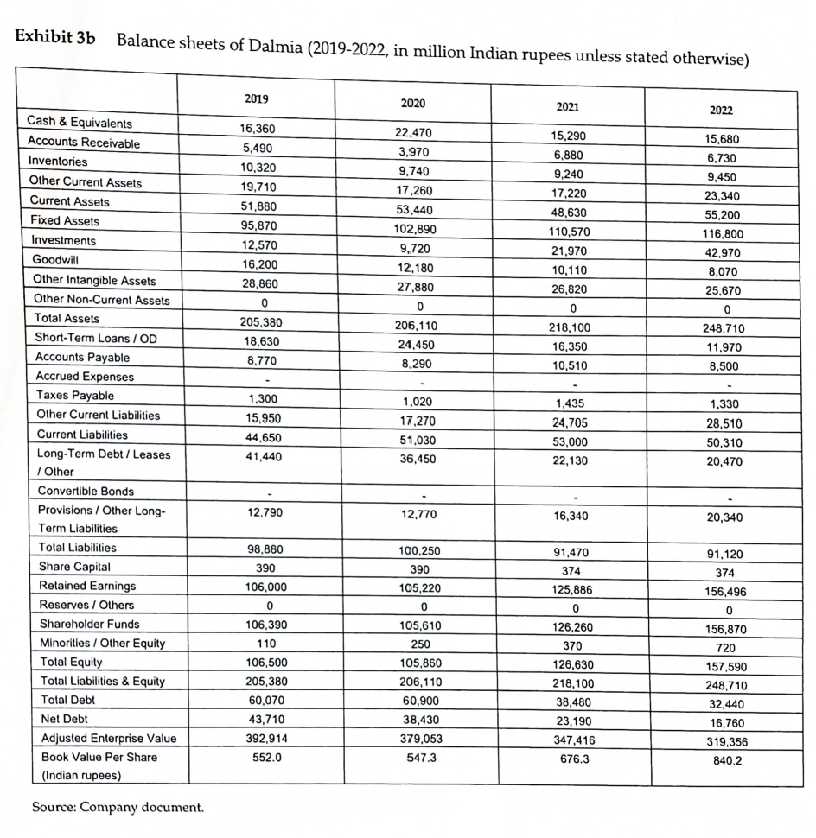
Balance Sheet of Dalmia (2019-2022) in Million Indian Rupees |  |  |  |  | Figure 3b: Income Statement from the CLSA Case Analysis
Cash & Equivalents | 16,360.00 | 22,470.00 | 15,290.00 | 15,680.00
Accounts Receivables | 5,490.00 | 3,970.00 | 6,880.00 | 6,730.00
Inventories | 10,320.00 | 9,740.00 | 9,240.00 | 9,450.00
Other Current Assets | 19,710.00 | 17,260.00 | 17,220.00 | 23,340.00
Current Assets | 51,880.00 | 53,440.00 | 48,630.00 | 55,200.00
Fixed Assets | 95,870.00 | 102,890.00 | 110,570.00 | 116,800.00
Investments | 12,570.00 | 9,720.00 | 21,970.00 | 42,970.00
Goodwill | 16,200.00 | 12,180.00 | 10,110.00 | 8,070.00
Other Intangible Assets | 28,860.00 | 27,880.00 | 26,820.00 | 25,670.00
Other Non-Current Assets | - | - | - | -
Total Non-Current Assets | 153,500.00 | 152,670.00 | 169,470.00 | 193,510.00
Total Assets | 205,380.00 | 206,110.00 | 218,100.00 | 248,710.00
Short-Term Loans / OD | 18,630.00 | 24,450.00 | 16,350.00 | 11,970.00
Accounts Payable | 8,770.00 | 8,290.00 | 10,510.00 | 8,500.00
Accrued Expenses | - | - | - | -
Taxes Payable | 1,300.00 | 1,020.00 | 1,435.00 | 1,330.00
Other Current Liabilities | 15,950.00 | 17,270.00 | 24,705.00 | 28,510.00
Current Liabilities | 44,650.00 | 51,030.00 | 53,000.00 | 50,310.00
Long-Term Debt / Leases / Other | 41,440.00 | 36,450.00 | 22,130.00 | 20,470.00
Convertible Bonds | - | - | - | -
Provisions / Other Long-Term Liabilities | 12,790.00 | 12,770.00 | 16,340.00 | 20,340.00
Non-Current Liabilities | 54,230.00 | 49,220.00 | 38,470.00 | 40,810.00
Total Liabilities | 98,880.00 | 100,250.00 | 91,470.00 | 91,120.00
Share Capital | 390.00 | 390.00 | 374.00 | 374.00
Retained Earnings | 106,000.00 | 105,220.00 | 125,886.00 | 156,496.00
Reserves / Others | - | - | - | -
Shareholder Funds | 106,390.00 | 105,610.00 | 126,260.00 | 156,870.00
Minorities / Other Equity | 110.00 | 250.00 | 370.00 | 720.00
Total Equity | 106,500.00 | 105,860.00 | 126,630.00 | 157,590.00
Total Liabilities & Equity | 205,380.00 | 206,110.00 | 218,100.00 | 248,710.00
Total Debt | 60,070.00 | 60,900.00 | 38,480.00 | 32,440.00
Net Debt | 43,710.00 | 38,430.00 | 23,190.00 | 16,760.00
Adjusted Enterprise Value | 392,914.00 | 379,053.00 | 347,416.00 | 319,356.00
Book Value Per Share (Indian Rupees) | 552.00 | 574.30 | 676.30 | 840.20

